CaCO3 Scale Block
 | Calcium Carbonate Scale Block Analysis

Customer: | pct |  |  | Analysis Number: |  | 0 - 0
Submitted By: | alex |  |  | Date Sampled: |  | 11/04/2020
Production Company: | pct |  |  | Date Submitted: |  | 11/18/2021
Field/Lease/Well: | sample |  |  | Date Completed: |  | 12/14/2022

Test Conditions:
Test Temperature: |  | 200 °F
Baseline Pressure: |  | 75 psi
Brine Composition: |  | Synthetic Field Brine, Chlorides = 10,000 mg/L
Test Duration: |  | 90 minutes or until scale blocks the line

Sample |  | Treating Rate (ppm) | Time (minutes) | Max Pressure (psi) | Blank Average (minutes)
Blank 1 (Opening) |  | N/A | 0.6 | 1,500
Blank 2 (Closing) |  | N/A | 37.6
Chemical |  | Treating Rate (ppm) | Time (minutes) | Max Pressure (psi) | Percent Protection |  | Water Quality
 |  | 0 | 3003 | 1,500 | -299% |  | Clear
 |  | 0 | 3003 | 500 | 25% |  | Clear

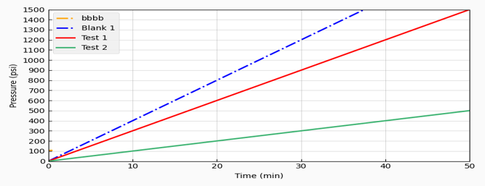
Alex Whittington
Analyst |  |  |  |  |  | Date

